Application Retrieval - Menu
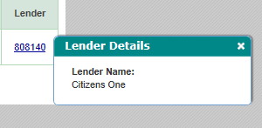
Page | Section | ScreenFields | Comments | Database Schema | Database Table | Database Column | Derivation Logic (If a derived field) | Comments | All Loan Programs | Priority
Application Retrieval | Advanced Search | Email |  |  |  |  |  |  |  | 3-Not Needed
Application Retrieval | Advanced Search | Check Number |  |  |  |  |  |  |  | 3-Not Needed
Application Retrieval | Advanced Search | Common Line ID |  |  |  |  |  |  |  | 3-Not Needed
Application Retrieval | Advanced Search | Branch Referral ID |  |  |  |  |  |  |  | 3-Not Needed

Dashboard
Page | Section | ScreenFields | ERLV/ERLF | ParentERLV/ParentERLF | StuV/StuF/MYStu/MYStuAdd | PLV/PLF/MYPL/MYPLAdd | Apple | Harvard | BarStudy | ResidencyV/ResidencyF/MYResidency/MYResidencyAdd | Personal | Priority
Dashboard | Borrower | Loan Summary |  |  |  |  |  |  |  |  |  | 3-Not Needed
Dashboard | Co-applicant | Loan Summary |  |  |  |  |  |  |  |  |  | 3-Not Needed
Dashboard | Next Step | Next Phase |  |  |  |  |  |  |  |  |  | 3-Not Needed
Dashboard | Outstanding Documents | Doc links |  |  |  |  |  |  |  |  |  | 3-Not Needed
Dashboard | Image(s) Needing Review | Doc links |  |  |  |  |  |  |  |  |  | 3-Not Needed
Dashboard | Recent Events | Event Code |  |  |  |  |  |  |  |  |  | 3-Not Needed | These should be part of History
Dashboard | Recent Events | Description |  |  |  |  |  |  |  |  |  | 3-Not Needed | These should be part of History
Dashboard | Recent Events | Requestor |  |  |  |  |  |  |  |  |  | 3-Not Needed | These should be part of History
Dashboard | Recent Events | Date and Time |  |  |  |  |  |  |  |  |  | 3-Not Needed | These should be part of History
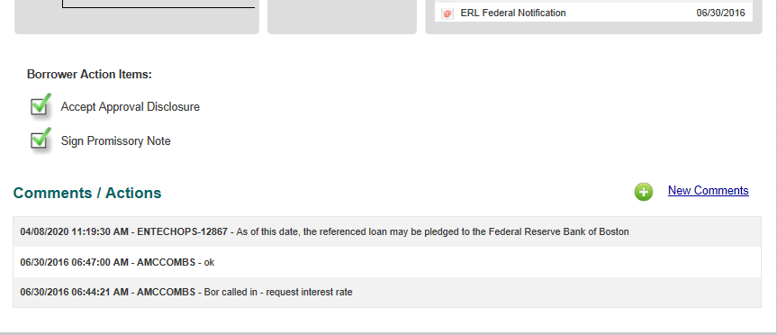
Dashboard | Recent Communications | Email Number |  |  |  |  |  |  |  |  |  | 3-Not Needed | These should be part of History
Dashboard | Recent Communications | Sent To |  |  |  |  |  |  |  |  |  | 3-Not Needed | These should be part of History
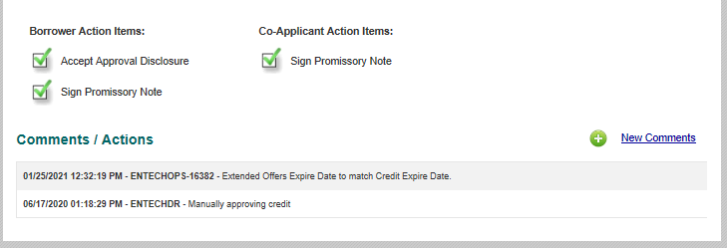
Dashboard | Recent Communications | Description |  |  |  |  |  |  |  |  |  | 3-Not Needed | These should be part of History
Dashboard | Recent Communications | Requestor |  |  |  |  |  |  |  |  |  | 3-Not Needed | These should be part of History
Dashboard | Recent Communications | Date and Time |  |  |  |  |  |  |  |  |  | 3-Not Needed | These should be part of History
Dashboard | Recent Communications | Email Content |  |  |  |  |  |  |  |  |  | 3-Not Needed | These should be part of History

AppData-Tab
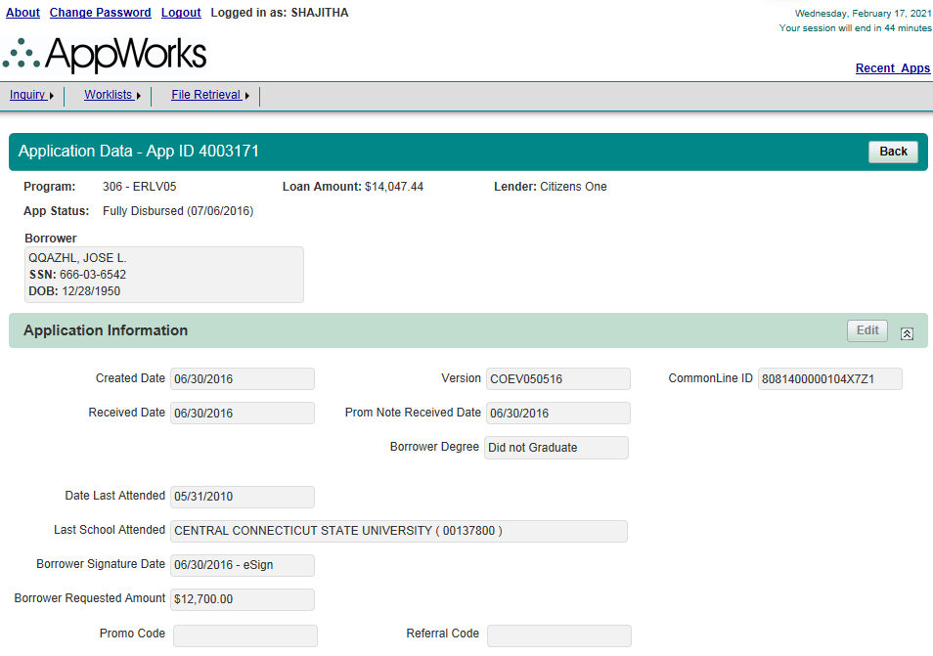
Page | Section | ScreenFields | ERLV/ERLF | ParentERLV/ParentERLF | StuV/StuF/MYStu/MYStuAdd | PLV/PLF/MYPL/MYPLAdd | Apple | Harvard | BarStudy | ResidencyV/ResidencyF/MYResidency/MYResidencyAdd | Personal | Priority
Application Data | Borrower | Delivery Preference |  |  |  |  |  |  |  |  |  | 3-Not Needed
Application Data | Co-Applicant | Delivery Preference |  |  |  |  |  |  |  |  |  | 3-Not Needed
Application Data | Student | Delivery Preference |  |  |  |  |  |  |  |  |  | 3-Not Needed
Application Data | Student | AppSource |  |  |  |  |  |  |  |  |  | 3-Not Needed
Application Data | Student-Demographics | Primary Phone |  |  |  |  |  |  |  |  |  | 3-Not Needed
Application Data | Student-Demographics | Drivers License |  |  |  |  |  |  |  |  |  | 3-Not Needed
Application Data | Student-Demographics | Email Address |  |  |  |  |  |  |  |  |  | 3-Not Needed
Application Data | Student-Demographics | Address |  |  |  |  |  |  |  |  |  | 3-Not Needed

Pricing-Tab
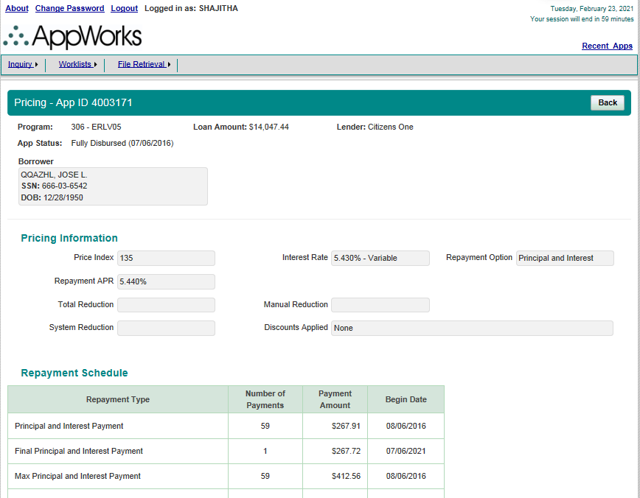
Page | Section | ScreenFields | ERLV/ERLF | ParentERLV/ParentERLF | StuV/StuF/MYStu/MYStuAdd | PLV/PLF/MYPL/MYPLAdd | Apple | Harvard | Bar Study | ResidencyV/ResidencyF/MYResidency/MYResidencyAdd | Personal | Priority
Pricing | Pricing | AppId |  |  |  |  |  |  |  |  |  | 1-Must Have
Pricing | Pricing | Program |  |  |  |  |  |  |  |  |  | 1-Must Have
Pricing | Pricing | Loan Amount |  |  |  |  |  |  |  |  |  | 1-Must Have
Pricing | Pricing | Lender |  |  |  |  |  |  |  |  |  | 1-Must Have
Pricing | Pricing | App Status |  |  |  |  |  |  |  |  |  | 1-Must Have
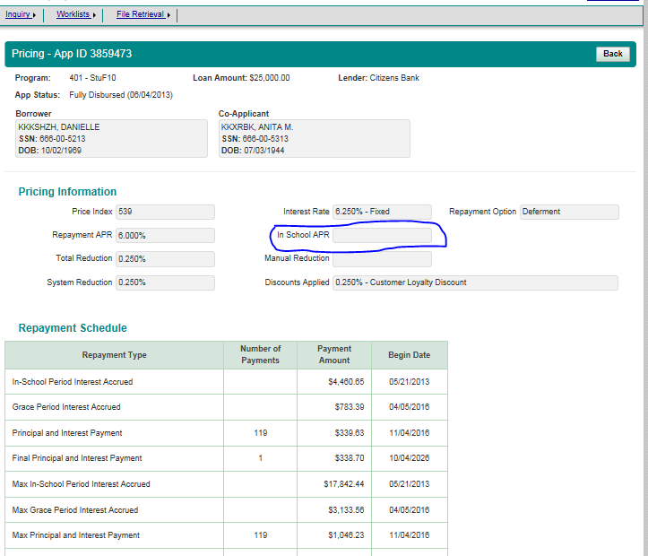
Pricing | Borrower | Borrower Name |  |  |  |  |  |  |  |  |  | 1-Must Have
Pricing | Borrower | SSN |  |  |  |  |  |  |  |  |  | 1-Must Have
Pricing | Borrower | DOB |  |  |  |  |  |  |  |  |  | 1-Must Have
Pricing | Co-Applicant | Co-Applicant Name |  |  |  |  |  |  |  |  |  | 1-Must Have
Pricing | Co-Applicant | SSN |  |  |  |  |  |  |  |  |  | 1-Must Have
Pricing | Co-Applicant | DOB |  |  |  |  |  |  |  |  |  | 1-Must Have
Pricing | Student | Student Name |  |  |  |  |  |  |  |  |  | 1-Must Have
Pricing | Student | SSN |  |  |  |  |  |  |  |  |  | 1-Must Have
Pricing | Student | DOB |  |  |  |  |  |  |  |  |  | 1-Must Have
Pricing | Pricing Information | Price Index |  |  |  |  |  |  |  |  |  | 1-Must Have
Pricing | Pricing Information | Interest Rate |  |  |  |  |  |  |  |  |  | 1-Must Have
Pricing | Pricing Information | Repayment Option |  |  |  |  |  |  |  |  |  | 1-Must Have
Pricing | Pricing Information | Repayment APR |  |  |  |  |  |  |  |  |  | 1-Must Have
Pricing | Pricing Information | In School APR |  |  |  |  |  |  |  |  |  | 1-Must Have
Pricing | Pricing Information | Total Reduction |  |  |  |  |  |  |  |  |  | 1-Must Have
Pricing | Pricing Information | Manual Reduction |  |  |  |  |  |  |  |  |  | 1-Must Have
Pricing | Pricing Information | System Reduction |  |  |  |  |  |  |  |  |  | 1-Must Have
Pricing | Pricing Information | Discounts Applied |  |  |  |  |  |  |  |  |  | 1-Must Have
Pricing | Repayment Schedule | Repayment Type |  |  |  |  |  |  |  |  |  | 1-Must Have
Pricing | Repayment Schedule | Number of Payments |  |  |  |  |  |  |  |  |  | 1-Must Have
Pricing | Repayment Schedule | Payment Amount |  |  |  |  |  |  |  |  |  | 1-Must Have
Pricing | Repayment Schedule | Begin Date |  |  |  |  |  |  |  |  |  | 1-Must Have
Pricing | Offers Information | Program |  |  |  |  |  |  |  |  |  | 1-Must Have
Pricing | Offers Information | Term |  |  |  |  |  |  |  |  |  | 1-Must Have
Pricing | Offers Information | Repayment Option |  |  |  |  |  |  |  |  |  | 1-Must Have
Pricing | Offers Information | Interest Rate Type |  |  |  |  |  |  |  |  |  | 1-Must Have
Pricing | Offers Information | Interest Rate/APR |  |  |  |  |  |  |  |  |  | 1-Must Have
Pricing | Offers Information | In School Amount |  |  |  |  |  |  |  |  |  | 1-Must Have
Pricing | Offers Information | Monthly Payment |  |  |  |  |  |  |  |  |  | 1-Must Have
Pricing | Offers Information | Price Index |  |  |  |  |  |  |  |  |  | 1-Must Have
Pricing | Offers Information | Discounts Applied |  |  |  |  |  |  |  |  |  | 1-Must Have
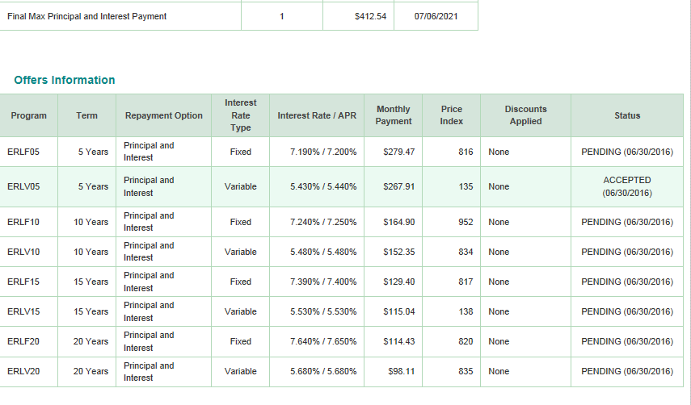
Pricing | Offers Information | Status |  |  |  |  |  |  |  |  |  | 1-Must Have

Credit-Tab
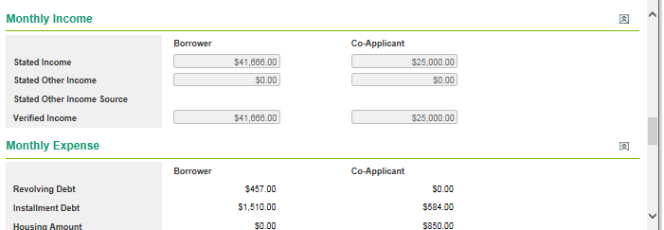
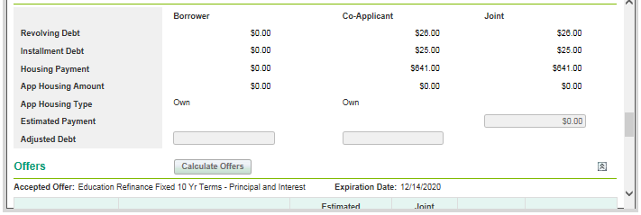
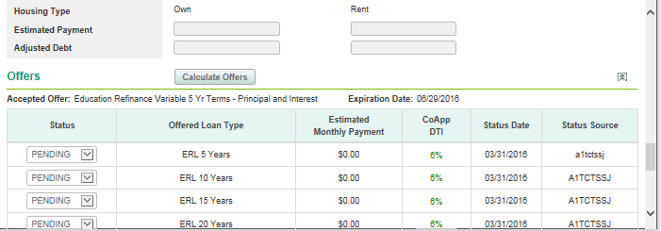
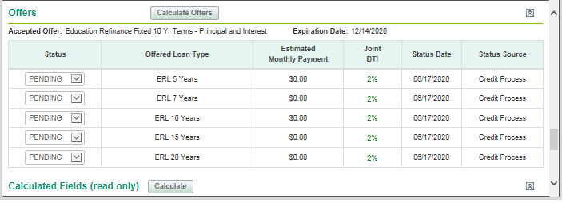
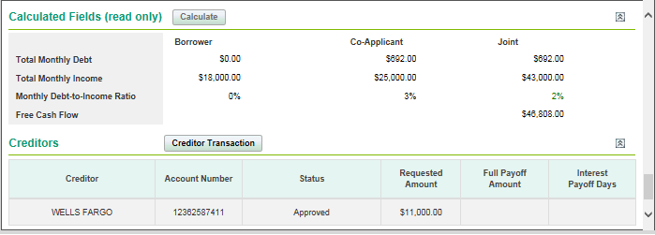
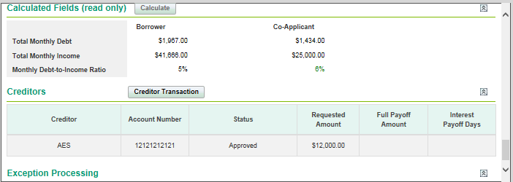
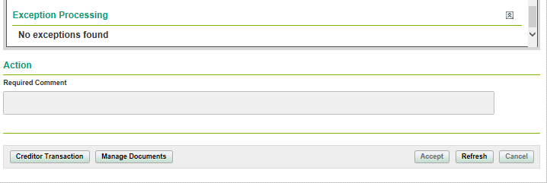
Page | Section | ScreenFields | ERLV/ERLF | ParentERLV/ParentERLF | StuV/StuF/MYStu/MYStuAdd | PLV/PLF/MYPL/MYPLAdd | Apple | Harvard | BarStudy | ResidencyV/ResidencyF/MYResidency/MYResidencyAdd | Personal | Priority
Credit Analysis Worksheet | Credit Analysis Worksheet | Loan Overview |  |  |  |  | Error |  |  |  |  | 3-Not Needed
Worksheet Information | Documents | Manage Documents |  |  |  |  | Error |  |  |  |  | 3-Not Needed
Worksheet Information | Document Information if available | Employement/Income Verificatio |  |  |  |  | Error |  |  |  |  | 3-Not Needed
Worksheet Information | Creditors | Creditor Transaction |  |  |  |  | Error |  |  |  |  | 3-Not Needed
Credit Analysis Worksheet | Action | Required Comment |  |  |  |  | Error |  |  |  |  | 3-Not Needed
Credit Analysis Worksheet |  | Creditor Transaction |  |  |  |  | Error |  |  |  |  | 3-Not Needed
Credit Analysis Worksheet |  | Manage Documents |  |  |  |  | Error |  |  |  |  | 3-Not Needed

Creditors-Tab
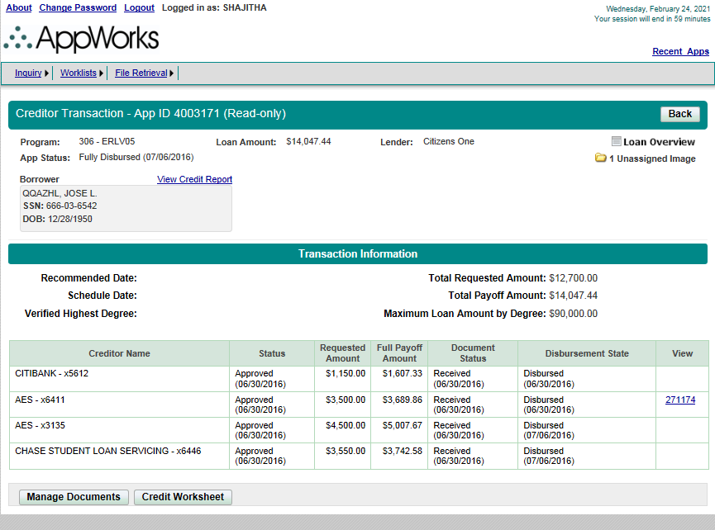
Page | Section | ScreenFields | ERLV/ERLF | ParentERLV/ParentERLF | Priority
Creditor Transaction | Creditor Transaction | AppId |  |  | 1-Must Have
Creditor Transaction | Creditor Transaction | Program |  |  | 1-Must Have
Creditor Transaction | Creditor Transaction | Loan Amount |  |  | 1-Must Have
Creditor Transaction | Creditor Transaction | Lender |  |  | 1-Must Have
Creditor Transaction | Creditor Transaction | App Status |  |  | 1-Must Have
Creditor Transaction | Creditor Transaction | Loan Overview |  |  | 3-Not Needed
Creditor Transaction | Creditor Transaction | Unassigned Image |  |  | 1-Must Have
Creditor Transaction | Creditor Transaction | View Credit Report |  |  | 1-Must Have
Creditor Transaction | Borrower | Borrower Name |  |  | 1-Must Have
Creditor Transaction | Borrower | SSN |  |  | 1-Must Have
Creditor Transaction | Borrower | DOB |  |  | 1-Must Have
Creditor Transaction | Co-Applicant | View Credit Report |  |  | 1-Must Have
Creditor Transaction | Co-Applicant | Co-Applicant Name |  |  | 1-Must Have
Creditor Transaction | Co-Applicant | SSN |  |  | 1-Must Have
Creditor Transaction | Co-Applicant | DOB |  |  | 1-Must Have
Creditor Transaction | Transaction Information | Recommended Date |  |  | 1-Must Have
Creditor Transaction | Transaction Information | Schedule Date |  |  | 1-Must Have
Creditor Transaction | Transaction Information | Verified Highest Degree |  |  | 1-Must Have
Creditor Transaction | Transaction Information | Total Requested Amount |  |  | 1-Must Have
Creditor Transaction | Transaction Information | Total Payoff amount |  |  | 1-Must Have
Creditor Transaction | Transaction Information | Maximum Loan Amount by Degree |  |  | 1-Must Have
Creditor Transaction | Transaction Information | Creditor Name |  |  | 1-Must Have
Creditor Transaction | Transaction Information | Status |  |  | 1-Must Have
Creditor Transaction | Transaction Information | Requested Amount |  |  | 1-Must Have
Creditor Transaction | Transaction Information | Full Payoff Amount |  |  | 1-Must Have
Creditor Transaction | Transaction Information | Document Status |  |  | 1-Must Have
Creditor Transaction | Transaction Information | Disbursement State |  |  | 1-Must Have
Creditor Transaction | Transaction Information | View |  |  | 2-Good To Have
Creditor Transaction | Creditor Details |  |  |  | 1-Must Have
Creditor Transaction | Borrower Provided Information & Verified Information | Creditor |  |  | 1-Must Have
Creditor Transaction | Borrower Provided Information & Verified Information | Loan Cosigned |  |  | 1-Must Have
Creditor Transaction | Borrower Provided Information & Verified Information | Account Number |  |  | 1-Must Have
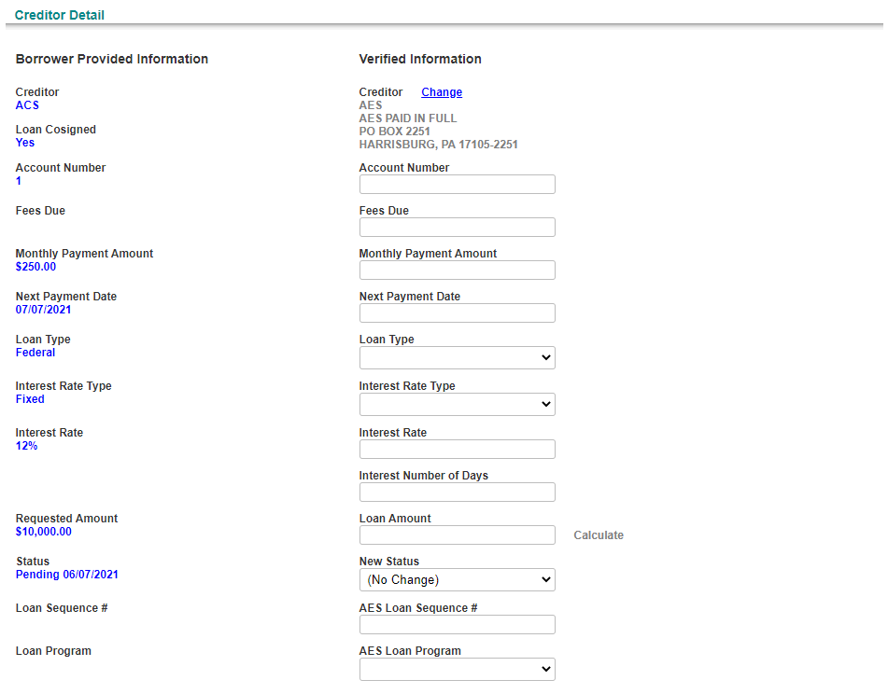
Creditor Transaction | Borrower Provided Information & Verified Information | Fees Due |  |  | 1-Must Have
Creditor Transaction | Borrower Provided Information & Verified Information | Monthly Payment Amount |  |  | 1-Must Have
Creditor Transaction | Borrower Provided Information & Verified Information | Next Payment Date |  |  | 1-Must Have
Creditor Transaction | Borrower Provided Information & Verified Information | Loan Type |  |  | 1-Must Have
Creditor Transaction | Borrower Provided Information & Verified Information | Interest Rate Type |  |  | 1-Must Have
Creditor Transaction | Borrower Provided Information & Verified Information | Interest Rate |  |  | 1-Must Have
Creditor Transaction | Borrower Provided Information & Verified Information | Requested Amount |  |  | 1-Must Have
Creditor Transaction | Borrower Provided Information & Verified Information | Status |  |  | 1-Must Have
Creditor Transaction | Borrower Provided Information & Verified Information | AES Loan Sequence # |  |  | 1-Must Have
Creditor Transaction | Borrower Provided Information & Verified Information | AES Loan Program |  |  | 1-Must Have
Creditor Transaction | Verified Information | Interest Number of Days |  |  | 1-Must Have
Creditor Transaction | Verified Information | Loan Amount |  |  | 1-Must Have
Creditor Transaction | Verified Information | Full Payoff Amount |  |  | 1-Must Have
Creditor Transaction |  | Manage Documents |  |  | 3-Not Needed
Creditor Transaction |  | Credit Worksheet |  |  | 3-Not Needed

Docs-Tab
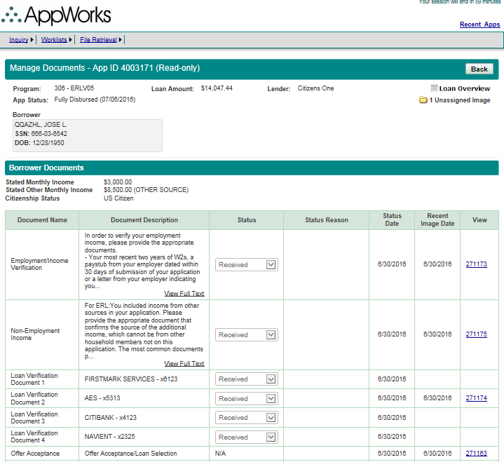
Page | Section | ScreenFields | ERLV/ERLF | ParentERLV/ParentERLF | StuV/StuF/MYStu/MYStuAdd | PLV/PLF/MYPL/MYPLAdd | Apple | Harvard | BarStudy | ResidencyV/ResidencyF/MYResidency/MYResidencyAdd | Personal | Priority
Manage Documents | Manage Documents | AppId |  |  |  |  |  |  |  |  |  | 1-Must Have
Manage Documents | Manage Documents | Program |  |  |  |  |  |  |  |  |  | 1-Must Have
Manage Documents | Manage Documents | Loan Amount |  |  |  |  |  |  |  |  |  | 1-Must Have
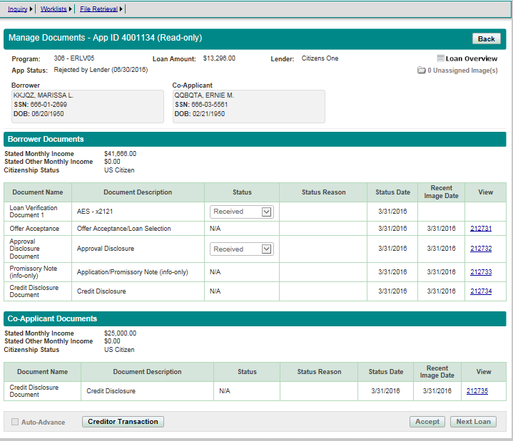
Manage Documents | Manage Documents | Lender |  |  |  |  |  |  |  |  |  | 1-Must Have
Manage Documents | Manage Documents | App Status |  |  |  |  |  |  |  |  |  | 1-Must Have
Manage Documents | Borrower | Borrower Name |  |  |  |  |  |  |  |  |  | 1-Must Have
Manage Documents | Borrower | SSN |  |  |  |  |  |  |  |  |  | 1-Must Have
Manage Documents | Borrower | DOB |  |  |  |  |  |  |  |  |  | 1-Must Have
Manage Documents | Co-Applicant | Co-Applicant Name |  |  |  |  |  |  |  |  |  | 1-Must Have
Manage Documents | Co-Applicant | SSN |  |  |  |  |  |  |  |  |  | 1-Must Have
Manage Documents | Co-Applicant | DOB |  |  |  |  |  |  |  |  |  | 1-Must Have
Manage Documents | Student | Student Name |  |  |  |  |  |  |  |  |  | 1-Must Have
Manage Documents | Student | SSN |  |  |  |  |  |  |  |  |  | 1-Must Have
Manage Documents | Student | DOB |  |  |  |  |  |  |  |  |  | 1-Must Have
Manage Documents | Borrower Documents | Document Name |  |  |  |  |  |  |  |  |  | 1-Must Have
Manage Documents | Borrower Documents | Document Ddescription |  |  |  |  |  |  |  |  |  | 1-Must Have
Manage Documents | Borrower Documents | Status |  |  |  |  |  |  |  |  |  | 1-Must Have
Manage Documents | Borrower Documents | Status Reason |  |  |  |  |  |  |  |  |  | 1-Must Have
Manage Documents | Borrower Documents | Status Date |  |  |  |  |  |  |  |  |  | 1-Must Have
Manage Documents | Borrower Documents | Recent Image Date |  |  |  |  |  |  |  |  |  | 1-Must Have
Manage Documents | Borrower Documents | View |  |  |  |  |  |  |  |  |  | 1-Must Have
Manage Documents | Co-Applicant Documents | Document Name |  |  |  |  |  |  |  |  |  | 1-Must Have
Manage Documents | Co-Applicant Documents | Document Ddescription |  |  |  |  |  |  |  |  |  | 1-Must Have
Manage Documents | Co-Applicant Documents | Status |  |  |  |  |  |  |  |  |  | 1-Must Have
Manage Documents | Co-Applicant Documents | Status Reason |  |  |  |  |  |  |  |  |  | 1-Must Have
Manage Documents | Co-Applicant Documents | Status Date |  |  |  |  |  |  |  |  |  | 1-Must Have
Manage Documents | Co-Applicant Documents | Recent Image Date |  |  |  |  |  |  |  |  |  | 1-Must Have
Manage Documents | Co-Applicant Documents | View |  |  |  |  |  |  |  |  |  | 1-Must Have

History-Tab
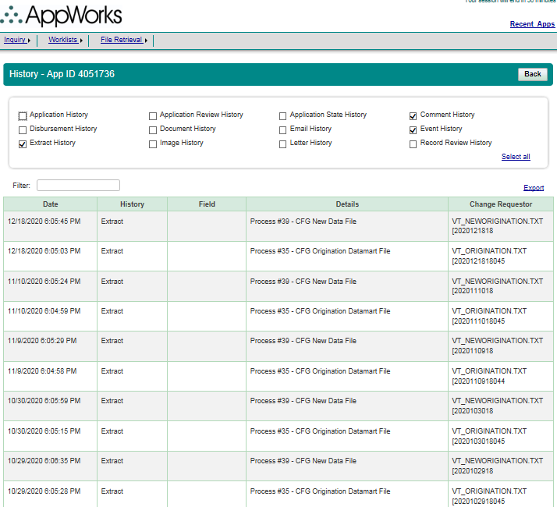
Page | Section | ScreenFields | Comments | Database Schema | Database Table | Database Column | Derivation Logic (If a derived field) | Comments | All Loan Programs | Priority
History | History | Application History |  |  |  |  |  |  |  | 1-Must Have
History | History | Application Review History |  |  |  |  |  |  |  | 1-Must Have
History | History | Application State History |  |  |  |  |  |  |  | 1-Must Have
History | History | Comment History |  |  |  |  |  |  |  | 1-Must Have
History | History | Disbursement History |  |  |  |  |  |  |  | 1-Must Have
History | History | Document History |  |  |  |  |  |  |  | 1-Must Have
History | History | Email History |  |  |  |  |  |  |  | 1-Must Have
History | History | Event History |  |  |  |  |  |  |  | 1-Must Have
History | History | Extract History |  |  |  |  |  |  |  | 1-Must Have
History | History | Image History |  |  |  |  |  |  |  | 1-Must Have
History | History | Letter History |  |  |  |  |  |  |  | 1-Must Have
History | History | Record Review History |  |  |  |  |  |  |  | 1-Must Have
 |  | Select all | Option to select/remove all options |  |  |  |  |  |  | 1-Must Have
History |  | Filter | Keywords are searched on 'Field' and 'Details' |  |  |  |  |  |  | 1-Must Have
History |  | Export | Export all the history to csv file |  |  |  |  |  |  | 1-Must Have
History | Result Table | Date |  |  |  |  |  |  |  | 1-Must Have
History | Result Table | History |  |  |  |  |  |  |  | 1-Must Have
History | Result Table | Field |  |  |  |  |  |  |  | 1-Must Have
History | Result Table | Details |  |  |  |  |  |  |  | 1-Must Have
History | Result Table | Change Requestor |  |  |  |  |  |  |  | 1-Must Have

AppReview - Tab
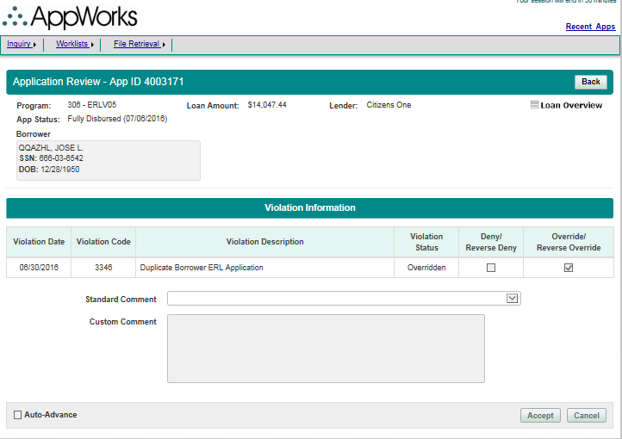
Page | Section | ScreenFields | ERLV/ERLF | ParentERLV/ParentERLF | StuV/StuF/MYStu/MYStuAdd | PLV/PLF/MYPL/MYPLAdd | Apple | Harvard | BarStudy | ResidencyV/ResidencyF/MYResidency/MYResidencyAdd | Personal | Priority
Application Review | Application Review | AppId |  |  |  |  |  |  |  |  |  | 1-Must Have
Application Review | Application Review | Program |  |  |  |  |  |  |  |  |  | 1-Must Have
Application Review | Application Review | Loan Amount |  |  |  |  |  |  |  |  |  | 1-Must Have
Application Review | Application Review | Lender |  |  |  |  |  |  |  |  |  | 1-Must Have
Application Review | Application Review | App Status |  |  |  |  |  |  |  |  |  | 1-Must Have
Application Review | Borrower | Borrower Name |  |  |  |  |  |  |  |  |  | 1-Must Have
Application Review | Borrower | SSN |  |  |  |  |  |  |  |  |  | 1-Must Have
Application Review | Borrower | DOB |  |  |  |  |  |  |  |  |  | 1-Must Have
Application Review | Co-Applicant | Co-Applicant Name |  |  |  |  |  |  |  |  |  | 1-Must Have
Application Review | Co-Applicant | SSN |  |  |  |  |  |  |  |  |  | 1-Must Have
Application Review | Co-Applicant | DOB |  |  |  |  |  |  |  |  |  | 1-Must Have
Application Review | Student | Student Name |  |  |  |  |  |  |  |  |  | 1-Must Have
Application Review | Student | SSN |  |  |  |  |  |  |  |  |  | 1-Must Have
Application Review | Student | DOB |  |  |  |  |  |  |  |  |  | 1-Must Have
Application Review | Violation Information | Violation Date |  |  |  |  |  |  |  |  |  | 1-Must Have
Application Review | Violation Information | Violation Code |  |  |  |  |  |  |  |  |  | 1-Must Have
Application Review | Violation Information | Violation Description |  |  |  |  |  |  |  |  |  | 1-Must Have
Application Review | Violation Information | Violation Status |  |  |  |  |  |  |  |  |  | 1-Must Have
Application Review | Violation Information | Deny/Reverse Deny |  |  |  |  |  |  |  |  |  | 1-Must Have
Application Review | Violation Information | Override/Reverse Override |  |  |  |  |  |  |  |  |  | 1-Must Have
Application Review | Violation Information | Standard Comment |  |  |  |  |  |  |  |  |  | 3-Not Needed
Application Review | Violation Information | Custom Comment |  |  |  |  |  |  |  |  |  | 3-Not Needed
Application Review | Violation Information | Auto Advance |  |  |  |  |  |  |  |  |  | 3-Not Needed

Multi Year - Tab
Page | Section | ScreenFields | StuV/StuF/MYStu/MYStuAdd | PLV/PLF/MYPL/MYPLAdd | ResidencyV/ResidencyF/MYResidency/MYResidencyAdd | Priority
Multi Year | Multi Year | AppId |  |  |  | 1-Must Have
Multi Year | Multi Year | Program |  |  |  | 1-Must Have
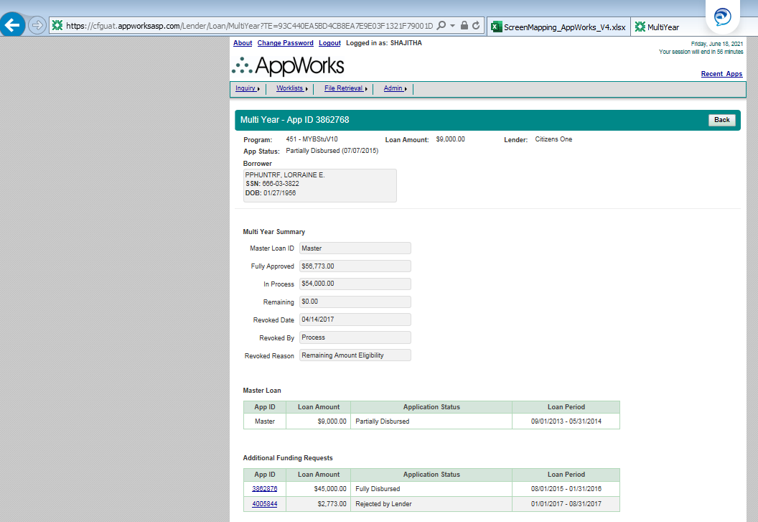
Multi Year | Multi Year | Loan Amount |  |  |  | 1-Must Have
Multi Year | Multi Year | Lender |  |  |  | 1-Must Have
Multi Year | Multi Year | App Status |  |  |  | 1-Must Have
Multi Year | Borrower | Borrower Name |  |  |  | 1-Must Have
Multi Year | Borrower | SSN |  |  |  | 1-Must Have
Multi Year | Borrower | DOB |  |  |  | 1-Must Have
Multi Year | Co-Applicant | Co-Applicant Name |  |  |  | 1-Must Have
Multi Year | Co-Applicant | SSN |  |  |  | 1-Must Have
Multi Year | Co-Applicant | DOB |  |  |  | 1-Must Have
Multi Year | Student | Student Name |  |  |  | 1-Must Have
Multi Year | Student | SSN |  |  |  | 1-Must Have
Multi Year | Student | DOB |  |  |  | 1-Must Have
Multi Year | Multi Year Summary | Master Loan ID |  |  |  | 1-Must Have
Multi Year | Multi Year Summary | Fully Approved |  |  |  | 1-Must Have
Multi Year | Multi Year Summary | In Process |  |  |  | 1-Must Have
Multi Year | Multi Year Summary | Remaining |  |  |  | 1-Must Have
Multi Year | Multi Year Summary | Revoked Date |  |  |  | 1-Must Have
Multi Year | Multi Year Summary | Revoked By |  |  |  | 1-Must Have
Multi Year | Multi Year Summary | Revoked Reason |  |  |  | 1-Must Have
Multi Year | Master Loan | App ID |  |  |  | 1-Must Have
Multi Year | Master Loan | Loan Amount |  |  |  | 1-Must Have
Multi Year | Master Loan | Application Status |  |  |  | 1-Must Have
Multi Year | Master Loan | Loan Period |  |  |  | 1-Must Have
Multi Year | Additional Funding Requests | App ID |  |  |  | 1-Must Have
Multi Year | Additional Funding Requests | Loan Amount |  |  |  | 1-Must Have
Multi Year | Additional Funding Requests | Application Status |  |  |  | 1-Must Have
Multi Year | Additional Funding Requests | Loan Period |  |  |  | 1-Must Have

Loan List - Link
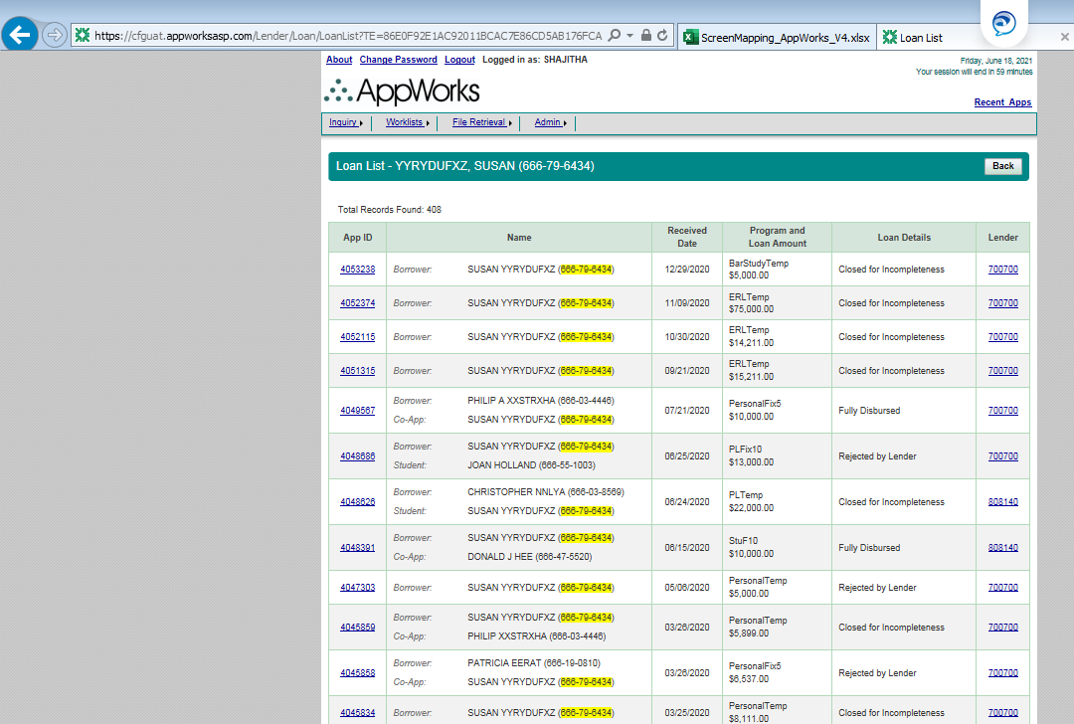
Page | Section | ScreenFields | Comments | Database Schema | Database Table | Database Column | Derivation Logic (If a derived field) | Comments | All Loan Types | Priority
Loan List | Loan List | Borrower Name |  |  |  |  |  |  |  | 1-Must Have
Loan List | Loan List | SSN |  |  |  |  |  |  |  | 1-Must Have
Loan List | Loan List | Total Records Found |  |  |  |  |  |  |  | 1-Must Have
Loan List | Table | App ID | Hyperlink to the respective Application dashboard |  |  |  |  |  |  | 1-Must Have
Loan List | Table | Name | List the Borrower, Co-Applicant/Student names along with SSN |  |  |  |  |  |  | 1-Must Have
Loan List | Table | Received Date |  |  |  |  |  |  |  | 1-Must Have
Loan List | Table | Program and Loan Amount |  |  |  |  |  |  |  | 1-Must Have
Loan List | Table | Loan Details | Shows status of the loan |  |  |  |  |  |  | 1-Must Have
Loan List | Table | Lender* | Hyperlink shows a pop-up with the name of the lender |  |  |  |  |  |  | 1-Must Have

* Lender information is needed, hyperlink is not needed

Link appears in Dashboard

View Credit Report - Link
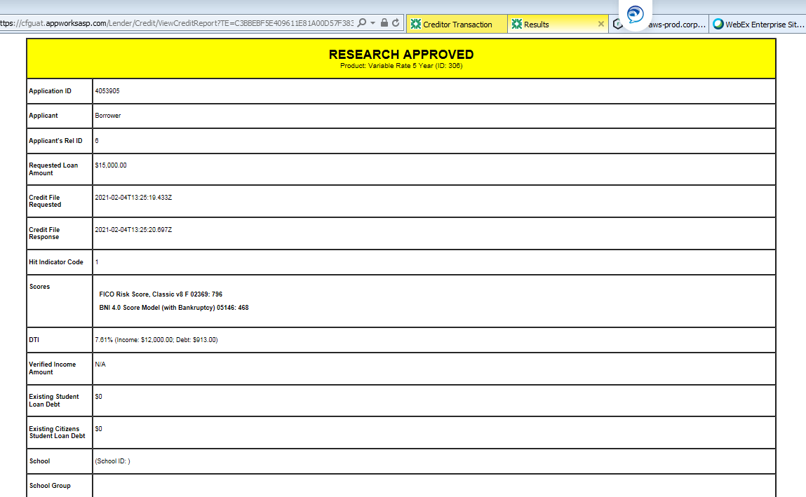
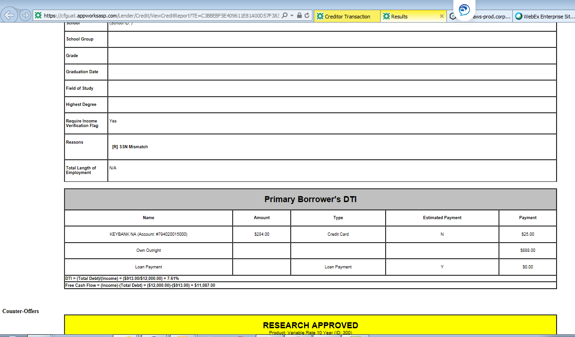
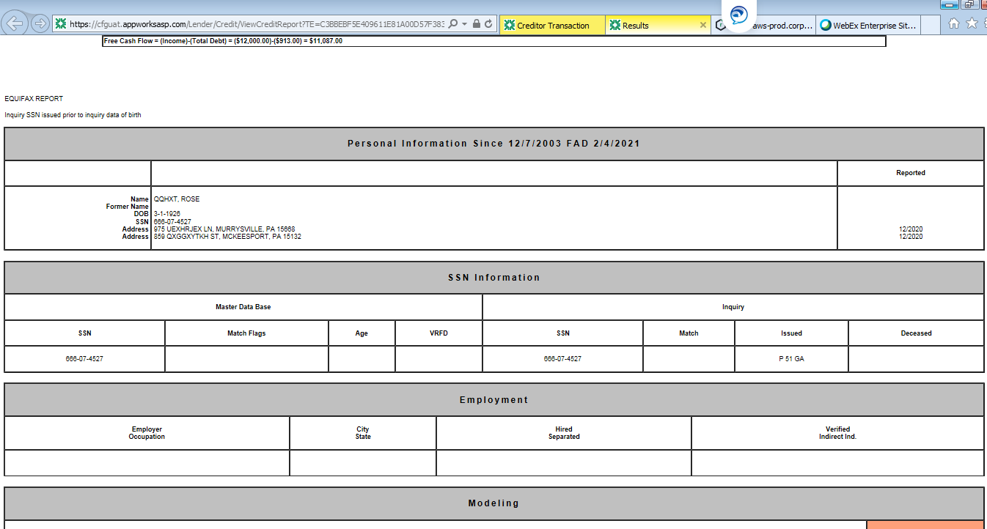
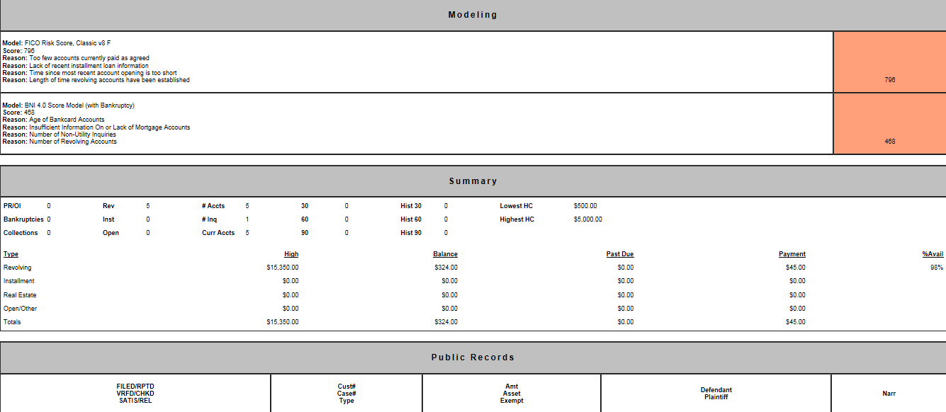
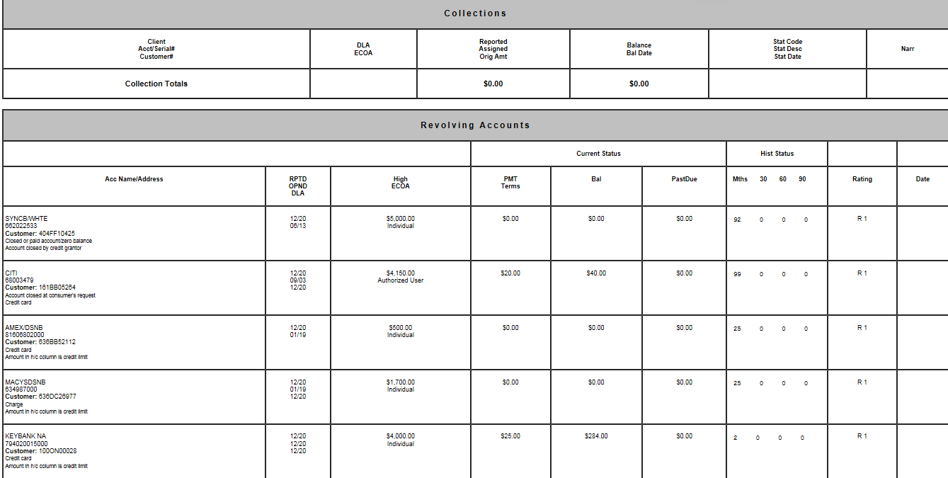
Is the Credit report generated from AppWorks DB or is it pulled real time from Credit Bureau?
To check with Anovva | Link available in Credit & Creditors tab

Need the logic involved in pulling this report.

Rate Quote Retrieval - Menu
Page | Section | ScreenFields | Comments | Database Schema | Database Table | Database Column | Derivation Logic (If a derived field) | Comments | ERLV/ERLF | ParentERLV/ParentERLF | Personal | Priority | 666-80-0040
Rate Quote Retrieval | Search For Rate Quotes | Record ID |  |  |  |  |  |  |  |  |  | 1-Must Have
Rate Quote Retrieval | Search For Rate Quotes | SSN |  |  |  |  |  |  |  |  |  | 1-Must Have
Rate Quote Retrieval | Search For Rate Quotes | Last Name |  |  |  |  |  |  |  |  |  | 1-Must Have
Rate Quote Retrieval | (SearchResults) | Record ID |  |  |  |  |  |  |  |  |  | 1-Must Have
Rate Quote Retrieval | (SearchResults) | Name | BorrowerName, SSN, email |  |  |  |  |  |  |  |  | 1-Must Have
Rate Quote Retrieval | (SearchResults) | Received Date |  |  |  |  |  |  |  |  |  | 1-Must Have
Rate Quote Retrieval | (SearchResults) | Loan Program & Amount |  |  |  |  |  |  |  |  |  | 1-Must Have
Rate Quote Retrieval | (SearchResults) | Rate Quote Details |  |  |  |  |  |  |  |  |  | 1-Must Have
Rate Quote Retrieval | (SearchResults) | Lender |  |  |  |  |  |  |  |  |  | 1-Must Have
Rate Quote Retrieval | Rate Quote Data | Record ID |  |  |  |  |  |  |  |  |  | 1-Must Have
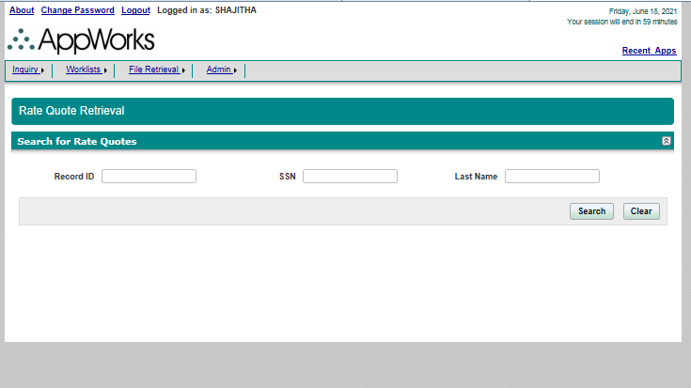
Rate Quote Retrieval | Applicant Information | Program |  |  |  |  |  |  |  |  |  | 1-Must Have
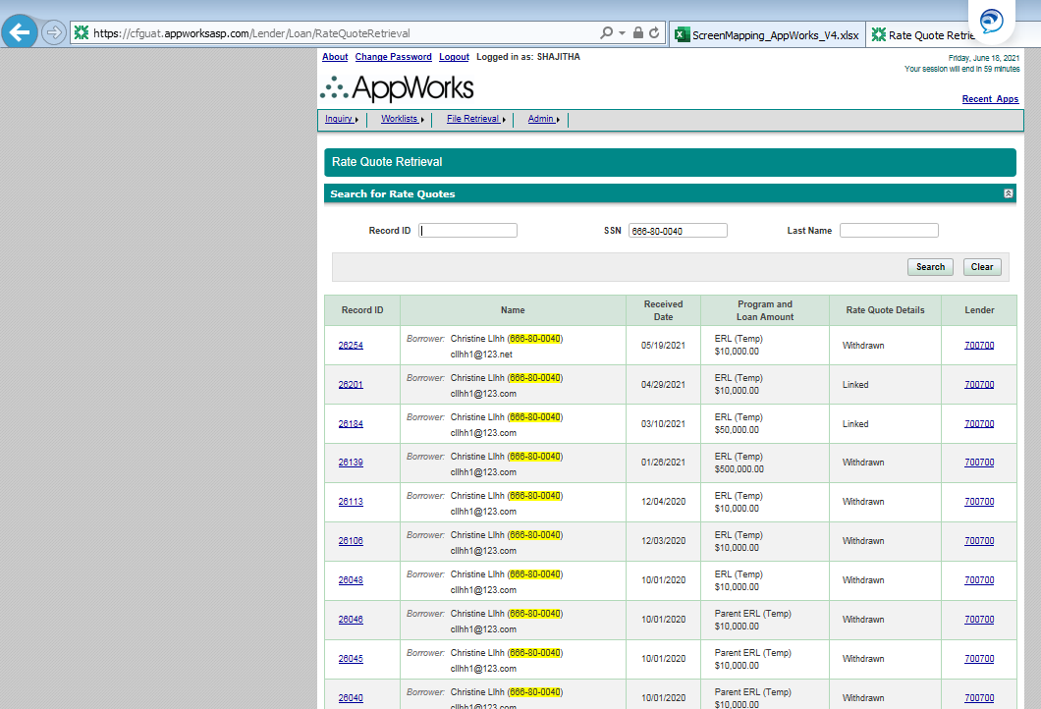
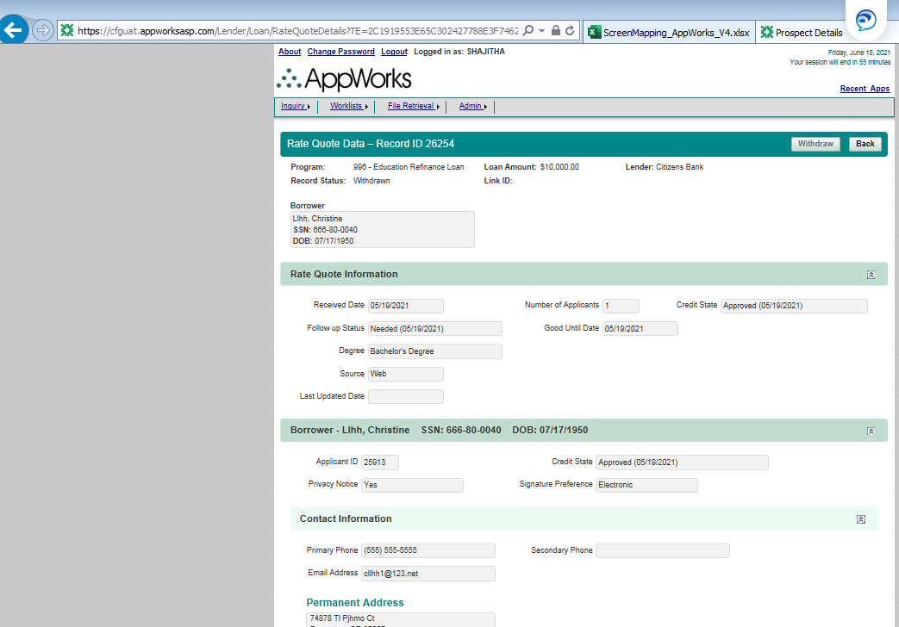
Rate Quote Retrieval | Applicant Information | Loan Amount |  |  |  |  |  |  |  |  |  | 1-Must Have
Rate Quote Retrieval | Applicant Information | Lender |  |  |  |  |  |  |  |  |  | 1-Must Have
Rate Quote Retrieval | Applicant Information | Record Status |  |  |  |  |  |  |  |  |  | 1-Must Have
Rate Quote Retrieval | Applicant Information | Link ID |  |  |  |  |  |  |  |  |  | 1-Must Have
Rate Quote Retrieval | Borrower | Borrower Name |  |  |  |  |  |  |  |  |  | 1-Must Have
Rate Quote Retrieval | Borrower | SSN |  |  |  |  |  |  |  |  |  | 1-Must Have
Rate Quote Retrieval | Borrower | DOB |  |  |  |  |  |  |  |  |  | 1-Must Have
Rate Quote Retrieval | Rate Quote Information | Received Date |  |  |  |  |  |  |  |  |  | 1-Must Have
Rate Quote Retrieval | Rate Quote Information | Number of Applicants |  |  |  |  |  |  |  |  |  | 3-Not Needed
Rate Quote Retrieval | Rate Quote Information | Credit State |  |  |  |  |  |  |  |  |  | 1-Must Have
Rate Quote Retrieval | Rate Quote Information | Follow up Status |  |  |  |  |  |  |  |  |  | 3-Not Needed
Rate Quote Retrieval | Rate Quote Information | Good until Date |  |  |  |  |  |  |  |  |  | 3-Not Needed
Rate Quote Retrieval | Rate Quote Information | FICO Score |  |  |  |  |  |  |  |  |  | 1-Must Have
Rate Quote Retrieval | Rate Quote Information | Segment |  |  |  |  |  |  |  |  |  | 1-Must Have
Rate Quote Retrieval | Rate Quote Information | Degree |  |  |  |  |  |  |  |  |  | 1-Must Have
Rate Quote Retrieval | Rate Quote Information | Source |  |  |  |  |  |  |  |  |  | 1-Must Have
Rate Quote Retrieval | Rate Quote Information | Last Updated Date |  |  |  |  |  |  |  |  |  | 3-Not Needed
Rate Quote Retrieval | Rate Quote Information | Custom Score |  |  |  |  |  |  |  |  |  | 1-Must Have
Rate Quote Retrieval | Borrower | Borrower Name |  |  |  |  |  |  |  |  |  | 1-Must Have
Rate Quote Retrieval | Borrower | SSN |  |  |  |  |  |  |  |  |  | 1-Must Have
Rate Quote Retrieval | Borrower | DOB |  |  |  |  |  |  |  |  |  | 1-Must Have
Rate Quote Retrieval | Borrower | Applicant ID |  |  |  |  |  |  |  |  |  | 1-Must Have
Rate Quote Retrieval | Borrower | Credit State |  |  |  |  |  |  |  |  |  | 1-Must Have
Rate Quote Retrieval | Borrower | Privacy Notice |  |  |  |  |  |  |  |  |  | 3-Not Needed
Rate Quote Retrieval | Borrower | Signature Preferences |  |  |  |  |  |  |  |  |  | 3-Not Needed
Rate Quote Retrieval | Contact Information | Primary Phone |  |  |  |  |  |  |  |  |  | 1-Must Have
Rate Quote Retrieval | Contact Information | Secondary Phone |  |  |  |  |  |  |  |  |  | 1-Must Have
Rate Quote Retrieval | Contact Information | Email Address |  |  |  |  |  |  |  |  |  | 1-Must Have
Rate Quote Retrieval | Contact Information | Permanent Address |  |  |  |  |  |  |  |  |  | 1-Must Have
Rate Quote Retrieval | Misc | Monthly Income |  |  |  |  |  |  |  |  |  | 1-Must Have
Rate Quote Retrieval | Misc | Residence |  |  |  |  |  |  |  |  |  | 1-Must Have
Rate Quote Retrieval | Misc | Free Cash Flow |  |  |  |  |  |  |  |  |  | 1-Must Have
Rate Quote Retrieval | Misc | Monthly Housing Payments |  |  |  |  |  |  |  |  |  | 1-Must Have
Rate Quote Retrieval | Offers Information | Length |  |  |  |  |  |  |  |  |  | 1-Must Have
Rate Quote Retrieval | Offers Information | Option |  |  |  |  |  |  |  |  |  | 1-Must Have
Rate Quote Retrieval | Offers Information | Interest Rate Type |  |  |  |  |  |  |  |  |  | 1-Must Have
Rate Quote Retrieval | Offers Information | Interest Rate/APR |  |  |  |  |  |  |  |  |  | 1-Must Have
Rate Quote Retrieval | Offers Information | Monthly Payment |  |  |  |  |  |  |  |  |  | 1-Must Have
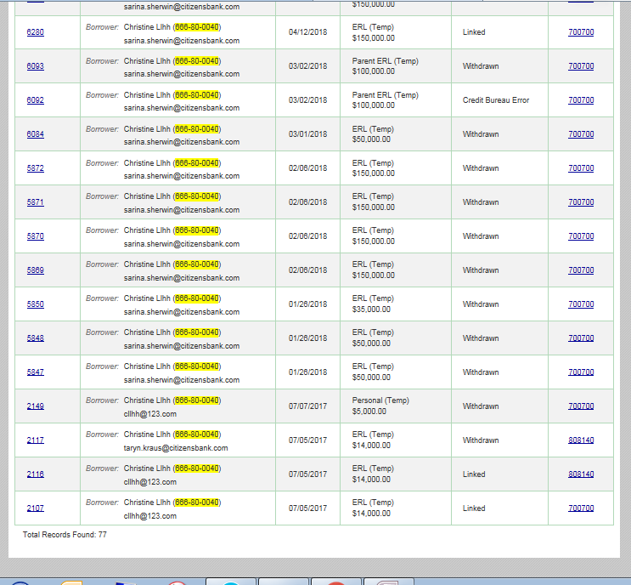
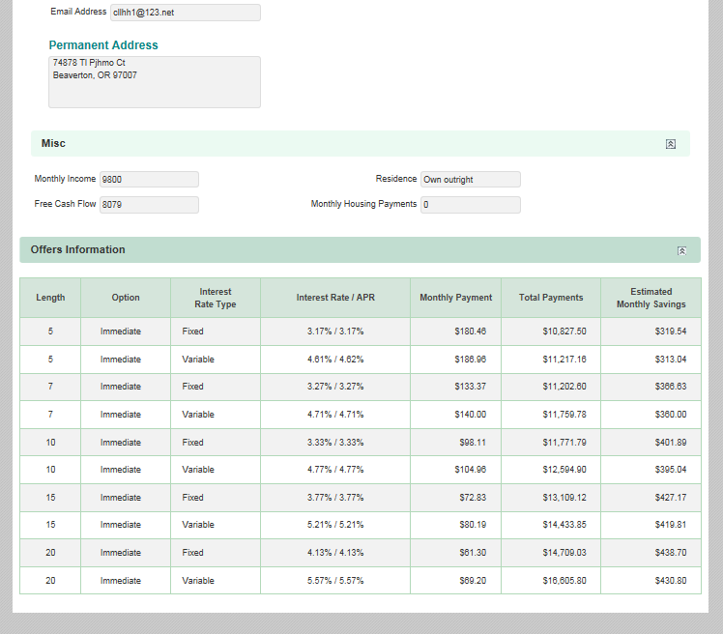
Rate Quote Retrieval | Offers Information | Total Payments |  |  |  |  |  |  |  |  |  | 1-Must Have
Rate Quote Retrieval | Offers Information | Estimated Monthly Savings |  |  |  |  |  |  |  |  |  | 1-Must Have

FileRetrieval-View Reports
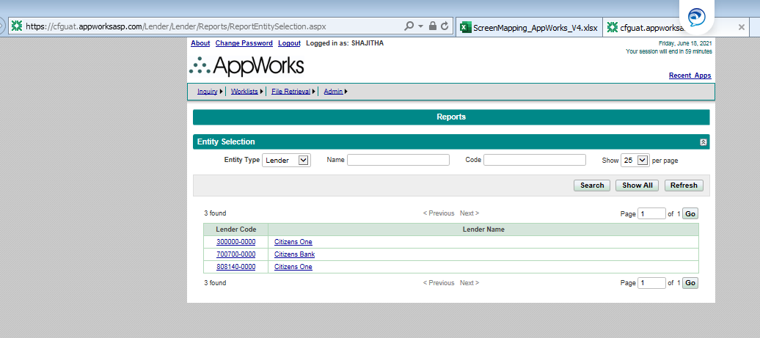
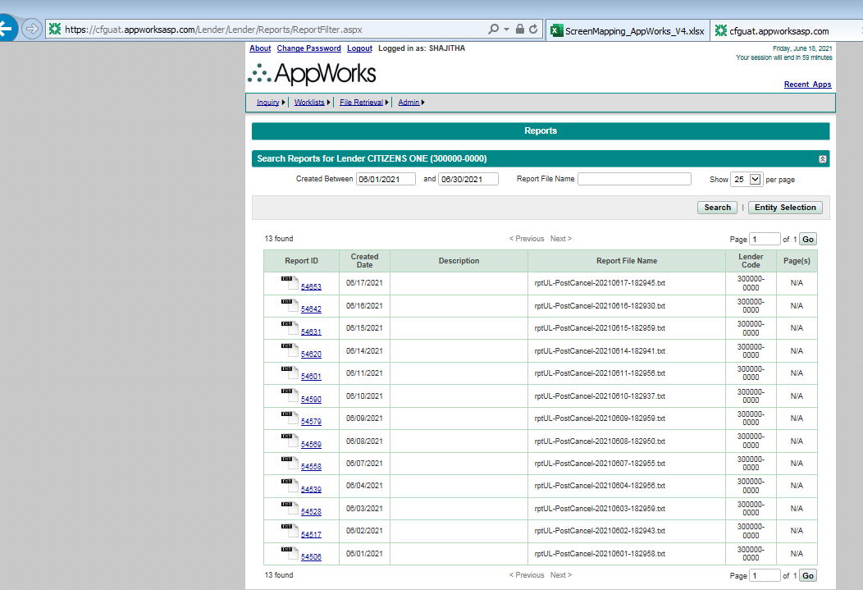
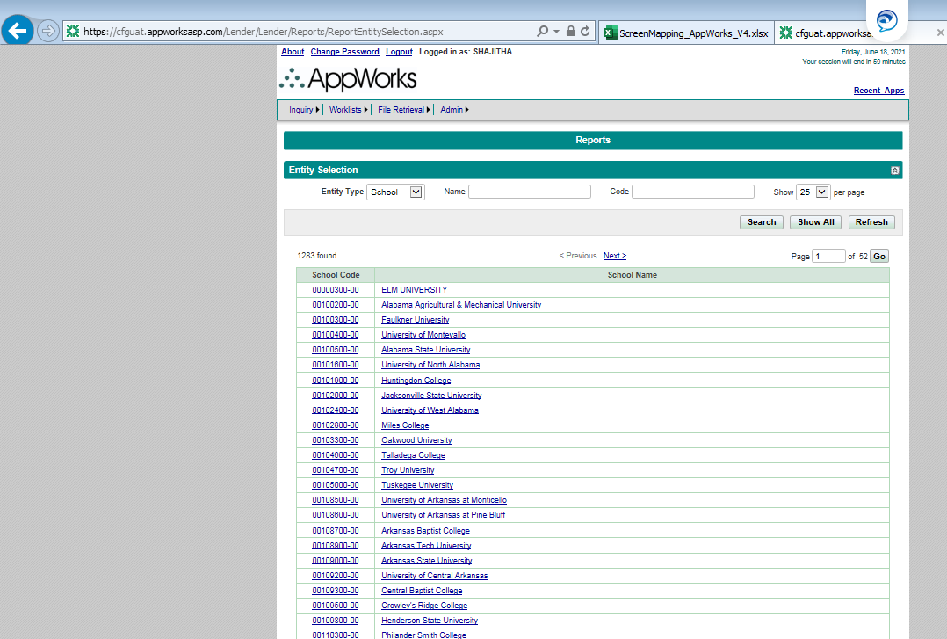
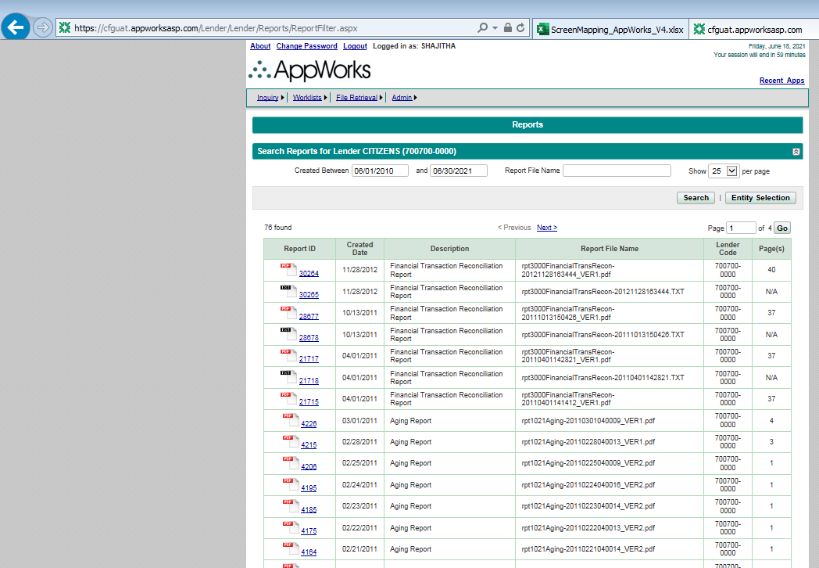
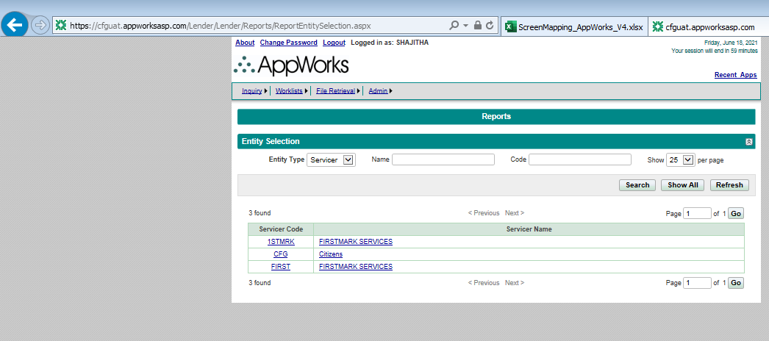
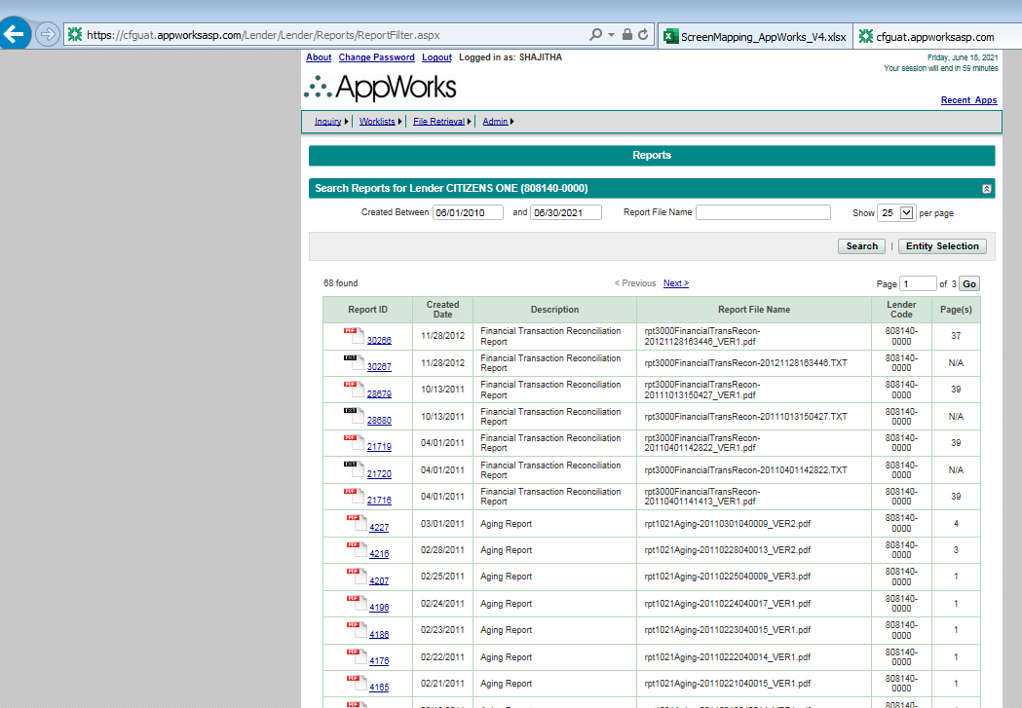
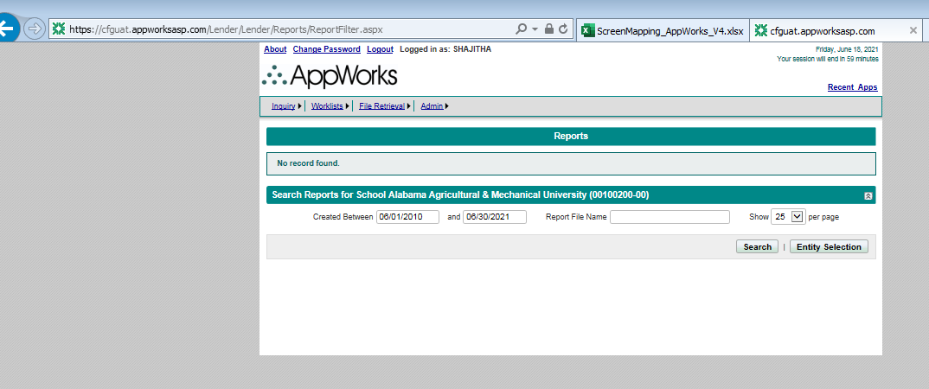
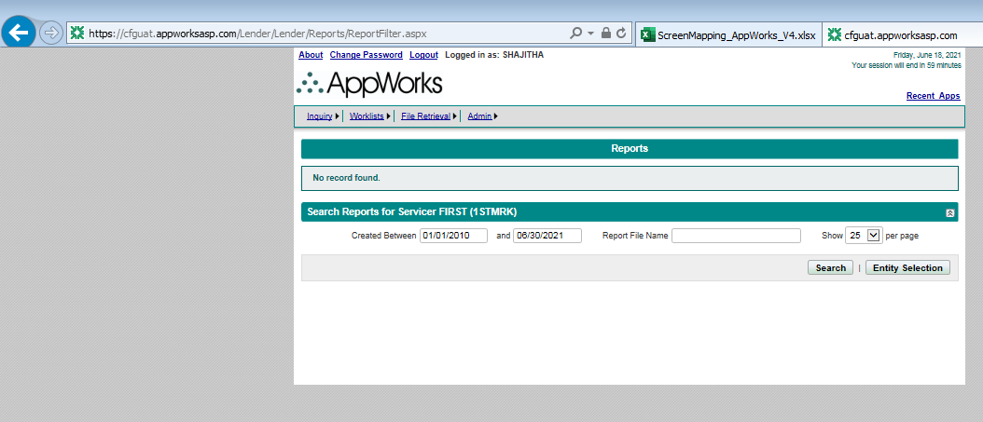
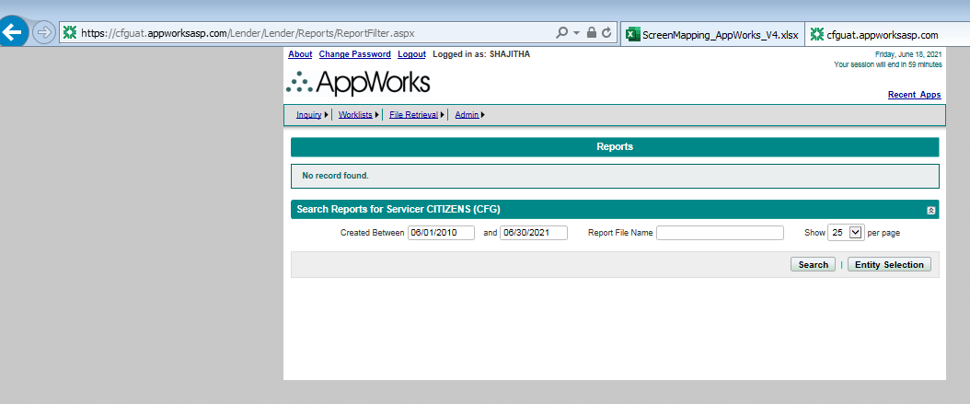
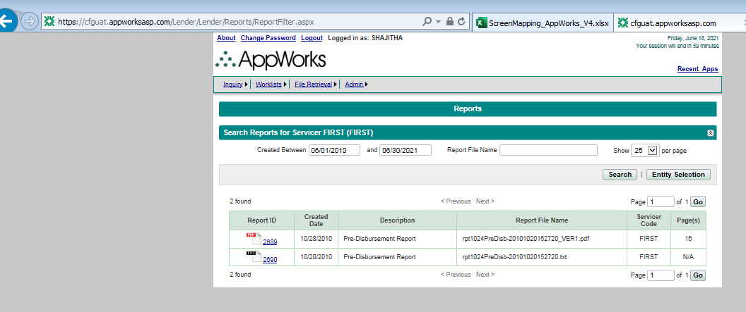
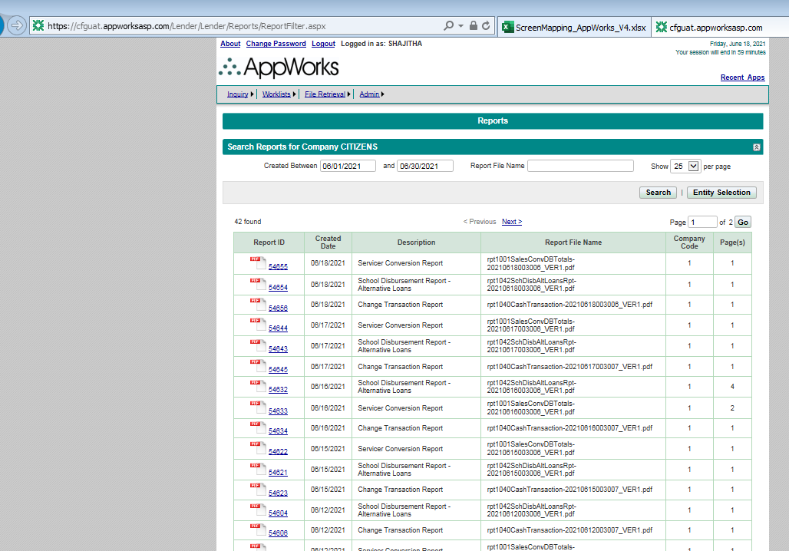
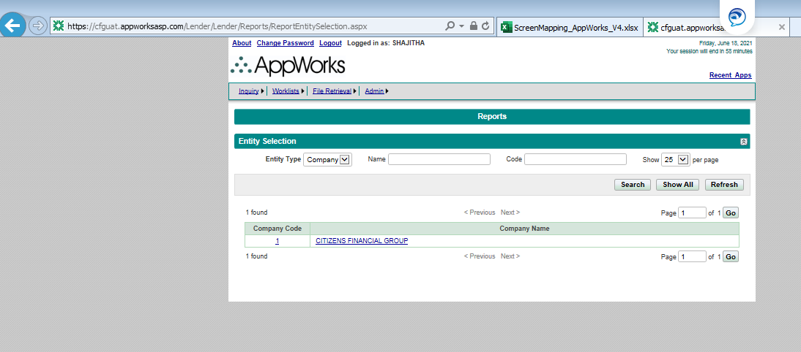
Description | File Name | Schedule
Aging Report | rpt1021Aging-20210428040007_VER1.pdf | M-F
Change Transaction Report | rpt1040CashTransaction-20210428003007_VER1.pdf | T-S
Disbursement Forecast Report | rpt1010DisbForecast-20210428003006_VER1.pdf | T-S
Financial Transaction Reconciliation Report | rpt3000FinancialTransRecon-20210428003007_VER1.pdf | Daily
Financial Transaction Reconciliation Report | rpt3000FinancialTransRecon-20210428003007.TXT | Daily
Lender Monthly Manifest Report | rpt2019LenderMonthManifest-20210402050011_VER1.pdf | Monthly
Pre-Disbursement Report | rpt1024PreDisb-20210428033006_VER1.pdf | M-F
Pre-Disbursement Report | rpt1024PreDisb-AL-20210428033006.TXT | M-F
Pre-Disbursement Report | rpt1024PreDisb-PCL-20210428033006.TXT | M-F
Pre-Disbursement Report | rpt1024PreDisb-PER-20210428033006.TXT | M-F
Processing Summary Report | rpt1032ProcessingSummary-20210428003007_VER1.pdf | T-S
Profile Control Report | rpt2014ProfileControlReport-a-20210428003007_VER1.pdf | T-S
School Disbursement Report - Alternative Loans | rpt1042SchDisbAltLoansRpt-20210428033015_VER1.pdf | M-F
Servicer Conversion Report | rpt1001SalesConvDBTotals-20210428003006_VER1.pdf | T-S

The application does not show all the reports, letters and utility logs generated till date. Need to know what is the retention period for all the files generated out of AppWorks and would need all of them transferred to Citizens

FileRetrieval-View Letters
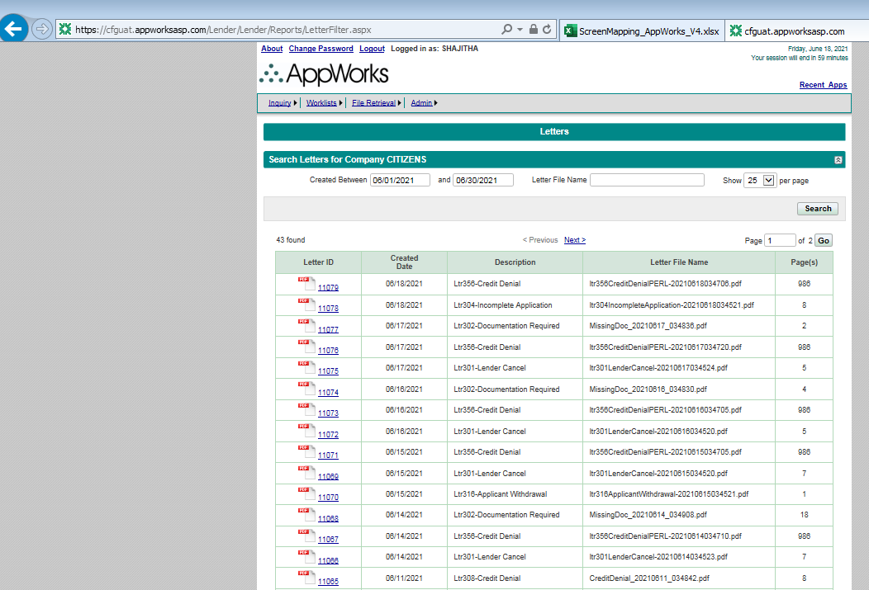
Description | File Name | Schedule
Ltr301-Lender Cancel | ltr301LenderCancel-20210428034730.pdf | M-F
Ltr302-Documentation Required | MissingDoc_20210428_043734.pdf | M-F
Ltr304-Incomplete Application | ltr304IncompleteApplication-20210428034744.pdf | M-F
Ltr307-Post-Disbursement Cancellation | ltr307PostDisbCancel-20210428034746.pdf | M-F
Ltr308-Credit Denial | CreditDenial_20210428_043019.pdf | M-F
Ltr309-Wisconsin Spousal Notification | ltr309WisconsinSpousalNotification-20210427034753.pdf | M-F
Ltr315-Subsequent Disbursement Notice | ltr315SubsequentDisbursement-20210216035110.pdf | M-F
Ltr316-Applicant Withdrawal | ltr316ApplicantWithdrawal-20210428034756.pdf | M-F
Ltr320-Invite Cosigner | ltr320InviteCosigner-20210428034758.pdf | M-F
Ltr323-Missing Application Information | ltr323MissingInformation-20210209034827.pdf | M-F
Ltr333-Welcome | ltr333BorrowerWelcome-20210419034911.pdf | M-F
Ltr338-Term Selection | ltr338TruFitTermSelection-20210419034911.pdf | M-F
Ltr340-ERL Federal Notification | ERLFederal_20210416_042623.pdf | M-F
Ltr342-Additional Funds Reminder | ltr342MYBReminder-20210125034946.pdf | M-F
Ltr343-Additional Funds Approval Notice | ltr343MYBFundsApprovalNotice-20210423034809.pdf | M-F
Ltr90-Lender Denial - Borrower | ltr090LenderDenialBorrower-20210428034708.pdf | M-F

FileRetrieval-ViewUtilityLogs
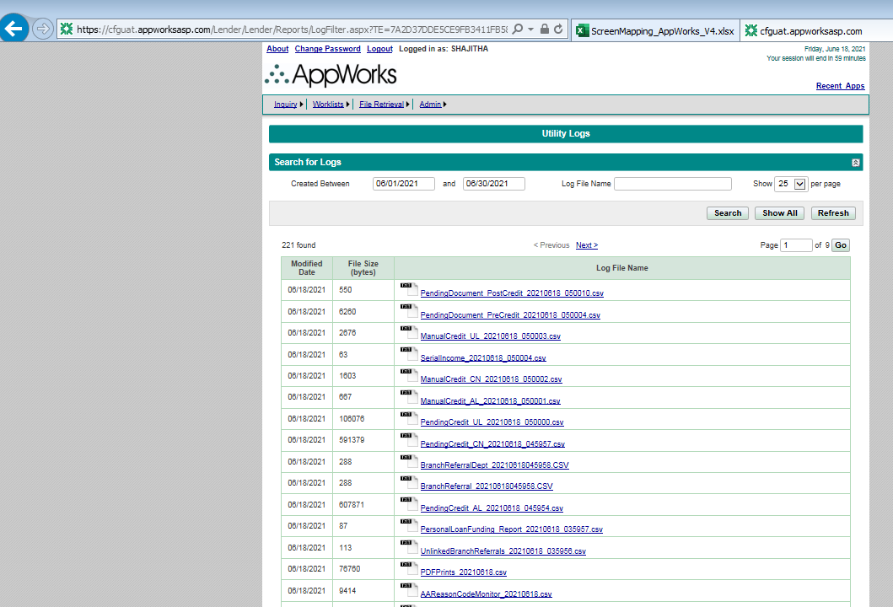
Sl.No | File Name | Schedule
1 | AAReasonCodeMonitor_20210427.csv | M-F
2 | ACH_Profile_Changes_20210427.csv | Daily
3 | ADMINChgMonitor_20210502.csv | Monthly
4 | AgentIDTransactions_Report_20210426_TO_20210427.CSV | Daily
5 | AppReview3341_20210427.csv | Daily
6 | AppSolicitationDisc_Report_20210427_043437.csv | M-F
7 | APPWORKS_COMPLIANCE_MONITOR_20210501_001758.csv | Monthly
8 | appworks_users_20210428.csv | Daily
9 | BranchReferral_20210427050246.CSV | Daily
10 | BranchReferralDept_20210427050251.CSV | Daily
11 | BranchUsers_20210426.csv
12 | CFGP_SLA_20210430090243.txt
13 | CFGRpt1031_20210502.csv
14 | CIT-714_Daily_CDE_Report_20210427.csv | Daily
15 | Citizens_DeletedDisbursementsActivity_20210426.txt | Daily
16 | Citizens_ED_Payoff_Pmts_20210427_030150.xls | M-F
17 | Citizens_ERL_Payoffs_20210427_030150.xls | M-F
18 | Citizens_ERL_Payoffs_ED_20210427_030151.xls | M-F
19 | Citizens_ERL_Payoffs_PL_20210427_030148.xls | M-F
20 | Citizens_NAV_Payoff_Pmts_20210427_030155.xls | M-F
21 | Citizens_PL_Payoff_Pmts_20210427_030151.xls | M-F
22 | CLAppSend_Inactive_20210427.Log | M-F
23 | CreditInterimDecision_20210427.csv | M-F
24 | CustomerCallReport_20210427_025445.csv | Daily
25 | DailyFileFTP_20210427_040346.csv | Daily
26 | DailyFileUpload_20210427_040249.csv | Daily
27 | DenialMonitor_20210427.csv | M-F
28 | DupFundingRpt_AppReview3366_20210427.txt | M-F
29 | ExceptionProcessing_20210426.csv | Weekly
30 | filelist.txt
31 | filelist2.txt
32 | FinalDisc_Report_20210427_043619.csv | M-F
33 | Firstmark_GT4_20210427_140330.txt | M-F
34 | Incomplete_AA_Email_20210427.csv | M-F
35 | jDM_SLA_10_StudentLending__052021.csv
36 | MCPrintFileCopy_04-27-2021-010002.log | M-F
37 | MCPrintReport_700700-0000_1_20210423051505.PDF
38 | NACHA_ACHFILE_20210427.LOG | Daily
39 | OFACBridger_Recon_20210427172800.txt | M-F
40 | P_01445503-00_700700-0000_1_AMC_20210423051505.PDF
41 | PDFPrints_20210427.csv | M-F
42 | PendingCreditor_20210427_034809.csv | Daily
43 | PendingDocument_PostCredit_20210427_034724.csv | Daily
44 | PendingDocument_PreCredit_20210427_034803.csv | Daily
45 | PENDINGRESEARCH_20210427.xls | Daily
46 | PersonalLoanFunding_Report_20210427_040829.csv | M-F
47 | ProfileChgMonitor_20210427.csv | Daily
48 | RecdRev-TDUMAINE-20210427-0424.log | Daily
49 | REFUNDROSTER.20210427_090431.TXT | M-F
50 | RegeneratedFinalDisclosureReport_04282021.csv | Daily
51 | RejectReasonText20210502_050852.csv | Monthly
52 | SchoolPOC_20210502.txt | Monthly
53 | SchoolProfile_20210502.csv | Monthly
54 | SchoolProgramTerm_20210502.txt | Monthly
55 | TruncatedReferrerURL_01_20210427170948.log | M-F
56 | UnderwriterQA_20210426.txt
57 | UnlinkedBranchReferrals_20210427_040238.csv | M-F
58 | UnsolicitedDoc_PostCreditApproval_20210427.csv | Daily
59 | Uploaded_PDF_Failures_20210427.csv | M-F
60 | VT_EdFinLOS_CAT.TXT2021427 | M-F
61 | VT_IMAGERECON[20210428_003338].txt | Daily
62 | WorklistReport_20210427_EducationLoans.txt | Daily
63 | WorklistReport_20210427_PersonalLoans.txt | Daily

Admin - WebUserMaintenance
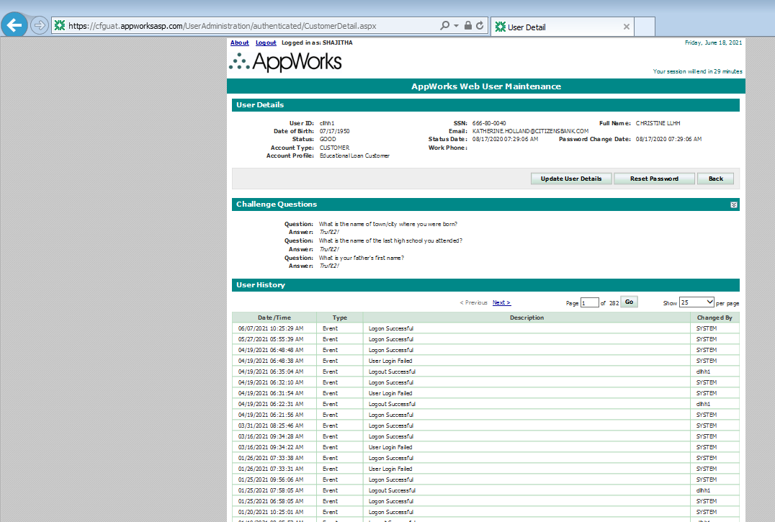
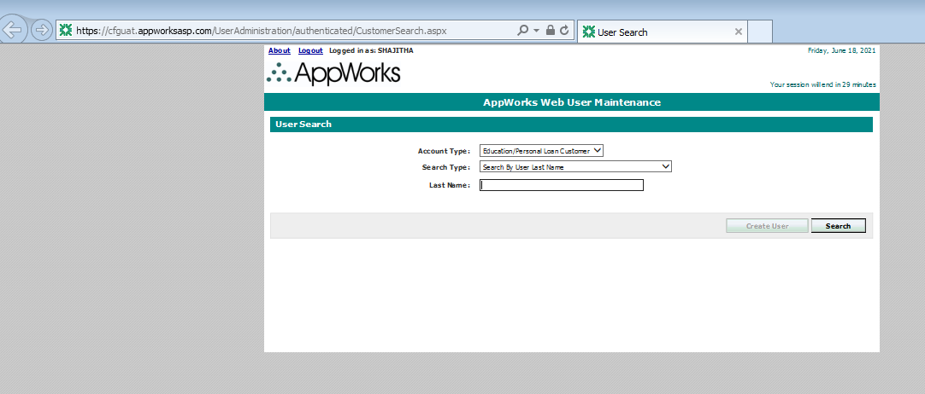
Page | Section | ScreenFields | Comments | Database Schema | Database Table | Database Column | Derivation Logic (If a derived field) | Comments | Priority
CustomerSearch | User Search | Account Type | Options available : Education/Personal Loan Customer Payment Plan Customer |  |  |  |  |  | 1-Must Have
CustomerSearch | User Search | Search Type | 4 options are available: 1. Search by User Last Name 2. Search by User Last Name/Date of birth 3. Search by User ID 4. Search by Email Address 5. Search by SSN |  |  |  |  |  | 1-Must Have
CustomerSearch | User Search | Last Name | Displayed based on the Search Type selected |  |  |  |  |  | 1-Must Have
CustomerSearch | User Search | Date of Birth | Displayed based on the Search Type selected |  |  |  |  |  | 1-Must Have
CustomerSearch | User Search | Email Address | Displayed based on the Search Type selected |  |  |  |  |  | 1-Must Have
CustomerSearch | User Search | User ID | Displayed based on the Search Type selected |  |  |  |  |  | 1-Must Have
CustomerSearch | User Search | SSN | Displayed based on the Search Type selected |  |  |  |  |  | 1-Must Have
CustomerSearch | Results | User ID | User ID displayed as hyperlink which when clicked navigates to CustomerDetail page |  |  |  |  |  | 1-Must Have
CustomerSearch | Results | User Name | Name of the User |  |  |  |  |  | 1-Must Have
CustomerSearch | Results | Email Address | Email address of the user |  |  |  |  |  | 1-Must Have
CustomerSearch | Results | Status |  |  |  |  |  |  | 2-Good To Have
CustomerSearch | Results | Account Profile | Type of customer(Education Loan Customer etc) |  |  |  |  |  | 1-Must Have
CustomerDetail | User Details | User ID |  |  |  |  |  |  | 1-Must Have
CustomerDetail | User Details | SSN |  |  |  |  |  |  | 1-Must Have
CustomerDetail | User Details | Full Name |  |  |  |  |  |  | 1-Must Have
CustomerDetail | User Details | Date of Birth |  |  |  |  |  |  | 1-Must Have
CustomerDetail | User Details | Email |  |  |  |  |  |  | 1-Must Have
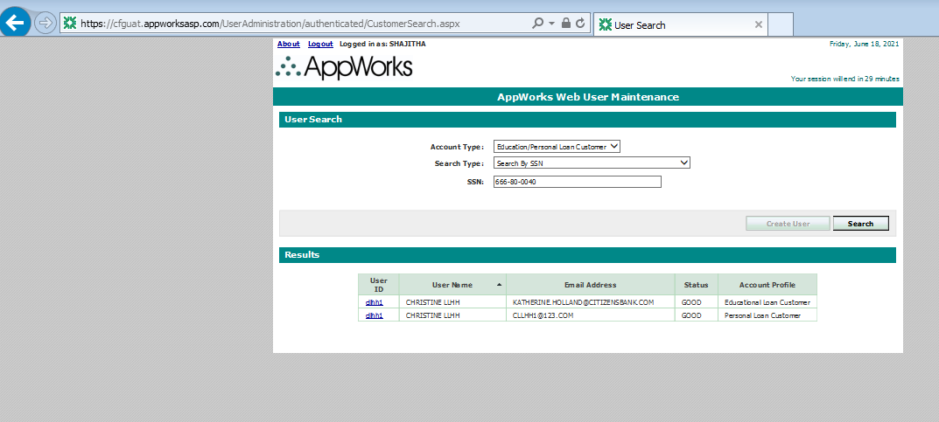
CustomerDetail | User Details | Status |  |  |  |  |  |  | 1-Must Have
CustomerDetail | User Details | Status Date |  |  |  |  |  |  | 1-Must Have
CustomerDetail | User Details | Password Change Date |  |  |  |  |  |  | 2-Good To Have
CustomerDetail | User Details | Account Type |  |  |  |  |  |  | 1-Must Have
CustomerDetail | User Details | Work Phone |  |  |  |  |  |  | 3-Not Needed
CustomerDetail | User Details | Account Profile |  |  |  |  |  |  | 1-Must Have
CustomerDetail | Challenge Questions | Question | 3 Challenge Questions |  |  |  |  |  | 2-Good To Have
CustomerDetail | Challenge Questions | Answer |  |  |  |  |  |  | 2-Good To Have
CustomerDetail | User History | Date/Time | Grid |  |  |  |  |  | 1-Must Have
CustomerDetail | User History | Type | Grid |  |  |  |  |  | 1-Must Have
CustomerDetail | User History | Description | Grid |  |  |  |  |  | 1-Must Have
CustomerDetail | User History | Changed By | Grid |  |  |  |  |  | 1-Must Have

